Bug Defect
 | Amazon defect report-Cycle 1 Testing
 | Prepared By | Divya
Defect ID | Defect Description | Steps to Reproduce | Severity | Status | Created by | Assigned to | Screenshot
1 | In Cart first added items becomes bottom and after added items becomes top | 1. Launch google.com and search for Amazon application 2.Register for amazon 3.Enter Email or mobile number 4.Verify mobile number or email 5.Enter password 6.Login to Amazon 7.Choose some products 8.Click wishlist icon 9.Add one by one to the cart Expected result: In Cart first added items becomes bottom and after added items becomes top Actual Result: In the cart first added items are available in top and after added items are available in bottom | 1-Medium | Open | Divya | RaghavendraBN | 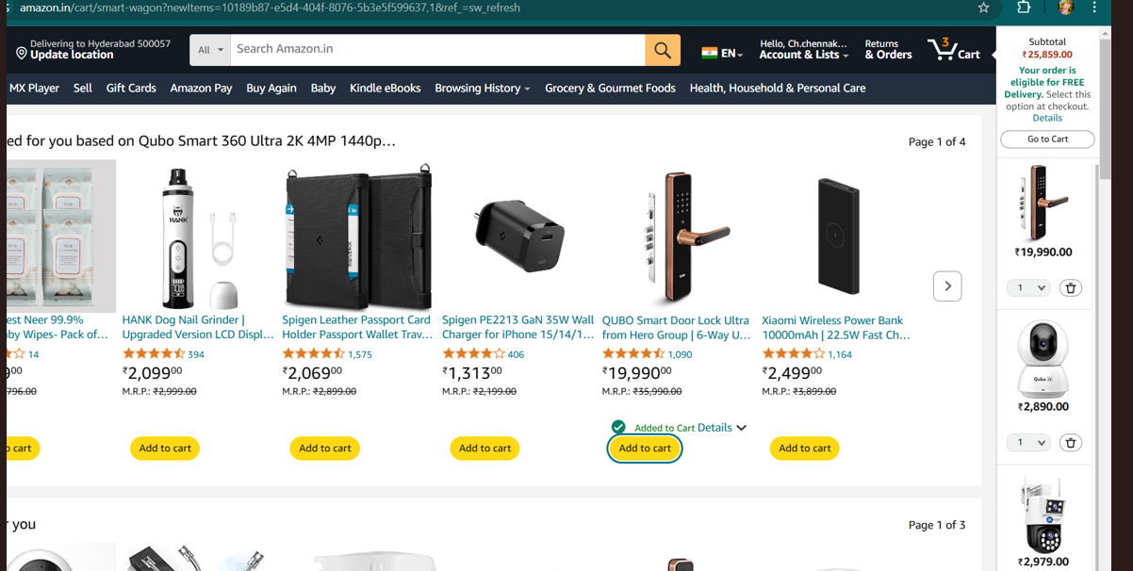
2 | If open the amazon application it is correct url but it is not functioning in the url | 1.open the browser. 2.Enter amazon url. 3.Search url. Expected result: If open the amazon application it is correct url but it is not functioning in the url Actual Result: Poor or unstable internet connection can cause the app to display the URL but fail to load content or function properly. | 1- high | Open | Divya | RaghavendraBN | 
3 | The cart does not accept changes immediately like price updates and removed products | 1.open the browser. 2.Enter amazon url 3.signin for Amazon 4.Enter email and mobile number 5.enter Name 6.Verify mobile number 7.Enter OTP 8.Login to Amazon 9.search products and add some products to cart 10.remove some products into the cart Expected result:The cart does not accept changes immediately like price updates and removed products Actual Result:Removing an item Excludes it in the total. | Medium | open | Divya | RaghavendraBN | 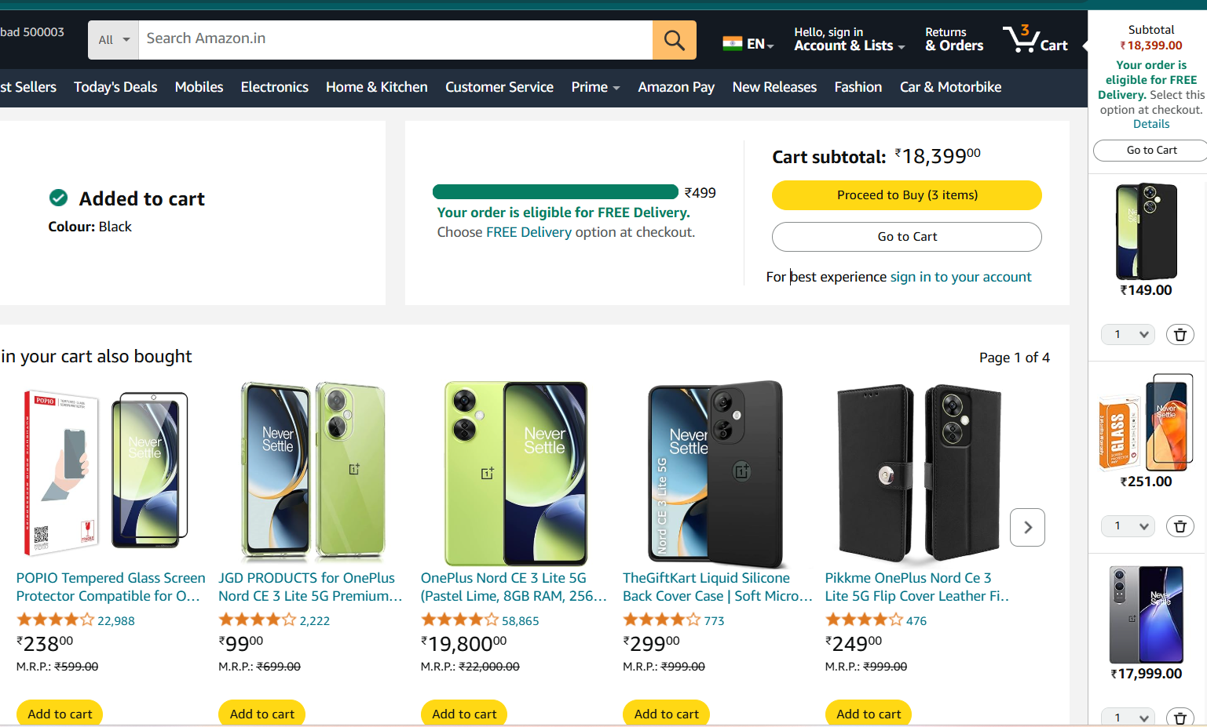
4 | If some times click amazon logo that is not able to open on web page | 1.Open browser 2.In the browser page we have amazon logo 3.click amazon logo Expected result:If some times click amazon logo that is not able to open on web page Actual Result: While click amazon logo open to amazon application | High | open | Divya | Raghavendra BN | 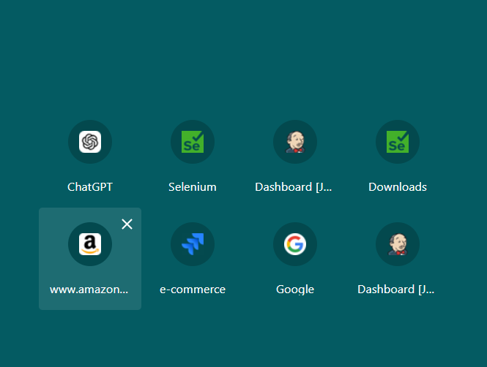
5 | When an adding multiple items items to the cart , the total price calculation is incorrect | 1.Open browser 2.Enter Amazon url 3.Open Amazon app 4.Sign in 5.Add items to the cart Expected result : Total price calculation is below the actual result Actual result:total price calculation is above the expected result | High | Open | Divya | Raghavendra BN | 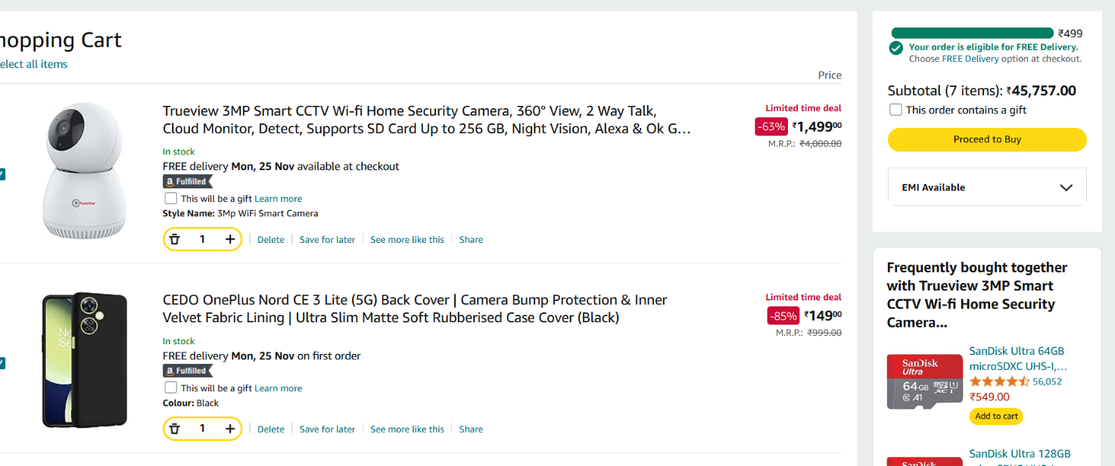
6 | Some times we added correct address it takes Wrong address | 1.Enter Browser 2.open amazon 3.add address 4.enter first and last name 5.mail id and mobile number 6.city and village 7.near by and location of the home Expected result: when ever we added the details that is the addess Actual Result:It goes to some unnamed areas | high | open | Divya | Raghavendra BN | Screenshot not available
7 | Estimated delivery dates are incorrectly calculated or displayed. | 1.Open Browser 2.Enter Amazon URL 3.Sign in 4.Check the track about order Expected Result:In time To deliver the product Actual Result:A two-day delivery promise takes five days to deliver without explanation. | High | open | Divya | Raghavendra BN | Screenshot not available
8 | Payment fails despite sufficient funds or the correct payment method. | 1.Open Browser 2.Enter Amazon URL 3.Sign in 4.choose payment option Expected result: If credentials correct then payment is succesful Actual Result:UPI payment fails with a generic error, even when credentials are correct. | Medium | open | Divya | Raghavendra BN | Screenshot not available
9 | Products marked as "In Stock" are unavailable during checkout. | 1.1.Open Browser 2.Enter Amazon URL 3.Sign in 4check the items. Expected result: An item marked available shows as instock Actual result:An item marked "Available" shows as "Out of Stock" when trying to place an order. | High | open | Divya | Raghavendra BN | 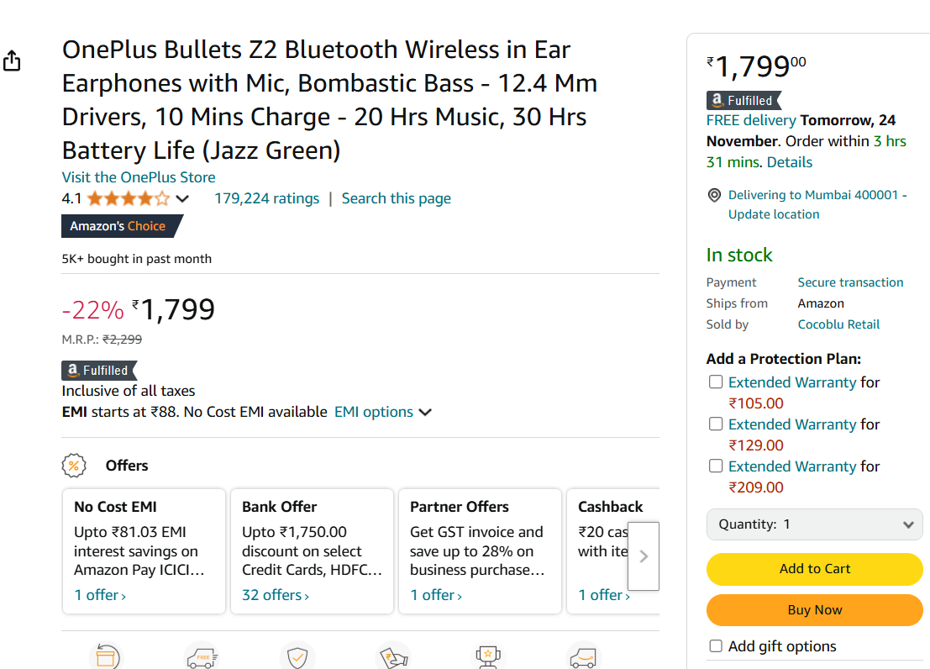
10 | Discounts or promotional offers do not get applied during checkout. | 1,open browser 2.enter url 3.open amazon 4.sign in for amazon 5.check discounts Expected result: If discount is accepted for item then price is reduced Actual result: Acoupon for a 10% discount is accepted but does not reduce the price. | High | open | Divya | Raghavendra BN | Screenshot Not Available
11 | Notifications of Order updates, promotional offers, or reminders are not sent as expected. | 1.open browser 2.enter url 3.open amazon 4.sign in 5.check notifications and order updates Expected result:Users should be receive notification for upcoming sales or delivery status. Actual Result:Users do not receive notifications for upcoming sales or delivery status. | Low | open | Divya | Raghavendra BN | Screenshot Not available
12 | User sessions expire prematurely or logins fail unexpectedly. | 1.open browser 2.Enter Url 3.Open amazon 4.login for amazon Expected result: User login multiple times but it doesnot shows failed status Actual Result:User is logged out while browsing, requiring repeated logins. | High | open | Divya | Raghavendra BN

